Sheet12
KMO and Bartlett's Test
Kaiser-Meyer-Olkin Measure of Sampling Adequacy. |  | 0.882
Bartlett's Test of Sphericity | Approx. Chi-Square | 5951.899
 | df | 406
 | Sig. | 0

Communalities |  |  |  |  |  |  | Total Variance Explained
 | Initial | Extraction |  |  |  |  | Component | Initial Eigenvalues |  |  | Extraction Sums of Squared Loadings |  |  | Rotation Sums of Squared Loadings
CS5 | 1 | 0.694 |  |  |  |  |  | Total | % of Variance | Cumulative % | Total | % of Variance | Cumulative % | Total | % of Variance | Cumulative %
CS3 | 1 | 0.645 |  |  |  |  | 1 | 8.93 | 30.78 | 30.78 | 8.93 | 30.78 | 30.78 | 3.20 | 11.04 | 11.04
CS2 | 1 | 0.618 |  |  |  |  | 2 | 2.53 | 8.72 | 39.50 | 2.53 | 8.72 | 39.50 | 3.11 | 10.72 | 21.76
CS4 | 1 | 0.563 |  |  |  |  | 3 | 2.29 | 7.90 | 47.39 | 2.29 | 7.90 | 47.39 | 2.55 | 8.80 | 30.56
CS1 | 1 | 0.557 |  |  |  |  | 4 | 1.65 | 5.70 | 53.09 | 1.65 | 5.70 | 53.09 | 2.47 | 8.50 | 39.06
E2 | 1 | 0.802 |  |  |  |  | 5 | 1.46 | 5.02 | 58.11 | 1.46 | 5.02 | 58.11 | 2.30 | 7.93 | 46.99
E4 | 1 | 0.718 |  |  |  |  | 6 | 1.21 | 4.16 | 62.27 | 1.21 | 4.16 | 62.27 | 2.29 | 7.89 | 54.88
E3 | 1 | 0.736 |  |  |  |  | 7 | 1.12 | 3.87 | 66.14 | 1.12 | 3.87 | 66.14 | 2.17 | 7.48 | 62.36
E1 | 1 | 0.740 |  |  |  |  | 8 | 1.06 | 3.65 | 69.79 | 1.06 | 3.65 | 69.79 | 2.16 | 7.43 | 69.79
EU1 | 1 | 0.715 |  |  |  |  | 9 | 0.81 | 2.79 | 72.58
EU5 | 1 | 0.641 |  |  |  |  | 10 | 0.73 | 2.51 | 75.09
EU2 | 1 | 0.640 |  |  |  |  | 11 | 0.70 | 2.41 | 77.50
EU4 | 1 | 0.600 |  |  |  |  | 12 | 0.60 | 2.07 | 79.57
A2 | 1 | 0.710 |  |  |  |  | 13 | 0.57 | 1.95 | 81.53
A1 | 1 | 0.676 |  |  |  |  | 14 | 0.52 | 1.81 | 83.33
A3 | 1 | 0.616 |  |  |  |  | 15 | 0.51 | 1.76 | 85.09
A4 | 1 | 0.546 |  |  |  |  | 16 | 0.49 | 1.67 | 86.77
LI2 | 1 | 0.852 |  |  |  |  | 17 | 0.43 | 1.49 | 88.25
LI3 | 1 | 0.791 |  |  |  |  | 18 | 0.41 | 1.43 | 89.68
LI1 | 1 | 0.743 |  |  |  |  | 19 | 0.38 | 1.30 | 90.97
PFI2 | 1 | 0.824 |  |  |  |  | 20 | 0.34 | 1.18 | 92.15
PFI3 | 1 | 0.815 |  |  |  |  | 21 | 0.33 | 1.13 | 93.28
PFI1 | 1 | 0.726 |  |  |  |  | 22 | 0.30 | 1.04 | 94.32
TP2 | 1 | 0.807 |  |  |  |  | 23 | 0.29 | 1.01 | 95.33
TP1 | 1 | 0.789 |  |  |  |  | 24 | 0.29 | 1.00 | 96.33
TP3 | 1 | 0.523 |  |  |  |  | 25 | 0.27 | 0.91 | 97.24
S1 | 1 | 0.753 |  |  |  |  | 26 | 0.25 | 0.85 | 98.09
S2 | 1 | 0.743 |  |  |  |  | 27 | 0.21 | 0.73 | 98.82
S3 | 1 | 0.657 |  |  |  |  | 28 | 0.18 | 0.63 | 99.44
Extraction Method: Principal Component Analysis. |  | 20.240 |  |  |  |  | 29 | 0.16 | 0.56 | 100.00
 |  |  |  |  |  |  | Extraction Method: Principal Component Analysis.

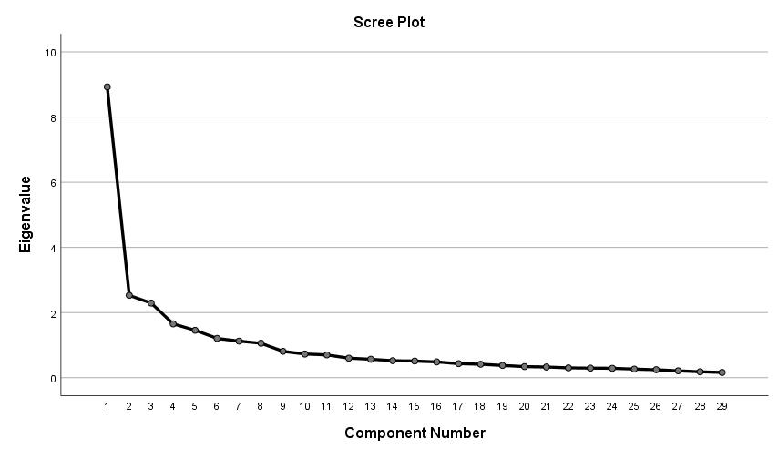

Rotated Component Matrixa
 | Component
 | 1 | 2 | 3 | 4 | 5 | 6 | 7 | 8
CS5 | 0.781
CS3 | 0.773
CS2 | 0.722 | Customer Service
CS4 | 0.718
CS1 | 0.662
E2 |  | 0.808
E4 |  | 0.800 | Experience
E3 |  | 0.786
E1 |  | 0.756
EU1 |  |  | 0.755
EU5 |  |  | 0.727 | Ease of Use
EU2 |  |  | 0.718
EU4 |  |  | 0.687
A2 |  |  |  | 0.791
A1 |  |  |  | 0.775 | Assurance |  |  |  |  |  |  | 0.052109181141
A3 |  |  |  | 0.685
A4 |  |  |  | 0.602
LI2 |  |  |  |  | 0.828
LI3 |  |  |  |  | 0.801 | Loyalty Intention
LI1 |  |  |  |  | 0.707
PFI2 |  |  |  |  |  | 0.801
PFI3 |  |  |  |  |  | 0.790 | Perceived Firm Innovation
PFI1 |  |  |  |  |  | 0.754
TP2 |  |  |  |  |  |  | 0.870
TP1 |  |  |  |  |  |  | 0.862 | Technology perception
TP3 |  |  |  |  |  |  | 0.684
S1 |  |  |  |  |  |  |  | 0.804
S2 |  |  |  |  |  |  |  | 0.790 | Speed
S3 |  |  |  |  |  |  |  | 0.738
Extraction Method: Principal Component Analysis.
Rotation Method: Varimax with Kaiser Normalization.
a Rotation converged in 6 iterations.

Reliability analysis
Customer Service
Reliability Statistics
Cronbach's Alpha | N of Items
0.832 | 5

Item-Total Statistics
 | Scale Mean if Item Deleted | Scale Variance if Item Deleted | Corrected Item-Total Correlation | Cronbach's Alpha if Item Deleted
CS1 | 13.8 | 7.737 | 0.615 | 0.802
CS2 | 13.89 | 7.339 | 0.65 | 0.793
CS3 | 13.51 | 7.853 | 0.634 | 0.797
CS4 | 13.79 | 7.953 | 0.576 | 0.813
CS5 | 13.57 | 7.808 | 0.684 | 0.784

Experience
Reliability Statistics
Cronbach's Alpha | N of Items
0.882 | 4

Item-Total Statistics
 | Scale Mean if Item Deleted | Scale Variance if Item Deleted | Corrected Item-Total Correlation | Cronbach's Alpha if Item Deleted
E1 | 10.87 | 5.06 | 0.749 | 0.846
E2 | 10.79 | 5.172 | 0.804 | 0.827
E3 | 11.02 | 5.196 | 0.736 | 0.851
E4 | 11.04 | 4.961 | 0.697 | 0.869

Easu of Use

Item-Total Statistics |  |  |  |  |  |  |  | Reliability Statistics
 | Scale Mean if Item Deleted | Scale Variance if Item Deleted | Corrected Item-Total Correlation | Cronbach's Alpha if Item Deleted |  |  |  | Cronbach's Alpha | N of Items
EU1 | 11.96 | 3.941 | 0.67 | 0.719 |  |  |  | 0.797 | 4
EU2 | 12.19 | 4.054 | 0.564 | 0.767
EU4 | 12.35 | 3.819 | 0.587 | 0.757
EU5 | 12.4 | 3.738 | 0.619 | 0.741

Assurance

Reliability Statistics
Cronbach's Alpha | N of Items
0.785 | 4

Item-Total Statistics
 | Scale Mean if Item Deleted | Scale Variance if Item Deleted | Corrected Item-Total Correlation | Cronbach's Alpha if Item Deleted
A1 | 11 | 4.284 | 0.615 | 0.721
A2 | 10.77 | 4.634 | 0.639 | 0.712
A3 | 10.72 | 4.842 | 0.566 | 0.746
A4 | 10.81 | 4.467 | 0.56 | 0.751

Loyalty Intention
Reliability Statistics
Cronbach's Alpha | N of Items
0.872 | 3

Item-Total Statistics
 | Scale Mean if Item Deleted | Scale Variance if Item Deleted | Corrected Item-Total Correlation | Cronbach's Alpha if Item Deleted
LI1 | 7.66 | 2.654 | 0.7 | 0.866
LI2 | 7.76 | 2.325 | 0.818 | 0.759
LI3 | 7.85 | 2.424 | 0.747 | 0.825

Perceived Firm Innovation
Reliability Statistics
Cronbach's Alpha | N of Items
0.866 | 3

Technology Perception
Reliability Statistics
Cronbach's Alpha | N of Items
0.773 | 3

 |  |  |  |  | Item-Total Statistics
Speed |  |  |  |  |  | Scale Mean if Item Deleted | Scale Variance if Item Deleted | Corrected Item-Total Correlation | Cronbach's Alpha if Item Deleted
Reliability Statistics |  |  |  |  | S1 | 7.23 | 2.275 | 0.668 | 0.679
Cronbach's Alpha | N of Items |  |  |  | S2 | 7.42 | 2.334 | 0.656 | 0.693
0.791 | 3 |  |  |  | S3 | 7.58 | 2.189 | 0.58 | 0.779

